YB01
Bank of India Liquid Fund (An Open Ended Liquid Scheme. A Relatively Low Interest Rate Risk and Moderate Credit Risk.)
Product Labelling | Risk-o-meter based on Portfolio as on October 31, 2024 |  |  | Risk-o-meter based on Benchmark CRISIL Liquid Debt A-I Index as on October 31, 2024
• Income over short term • Investment in Debt and Money Market Instruments. | 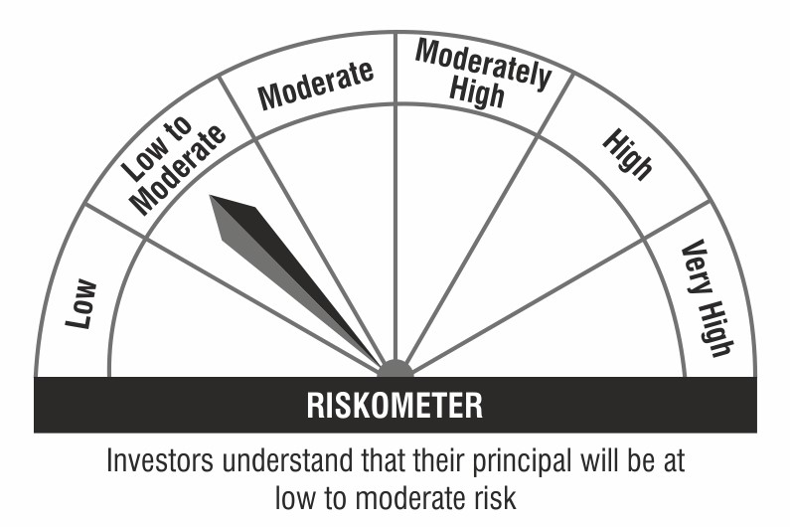 |  |  | 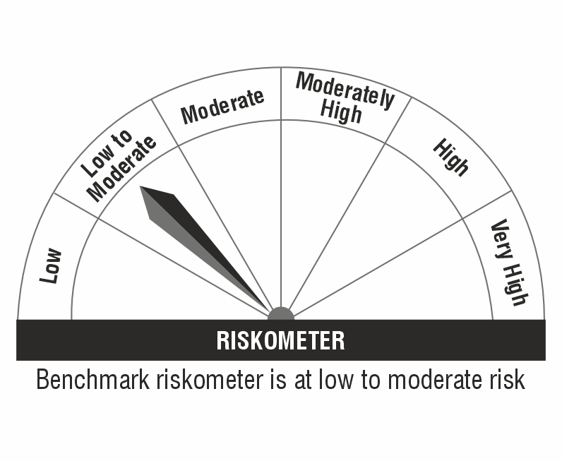

Monthly Portfolio Statement as on October 31,2024
Name of the Instrument | ISIN | Rating | Quantity | Market/Fair Value (Rs. in Lacs) | % to Net Assets | YTM
Debt Instruments
(a) Listed / awaiting listing on Stock Exchange
6.18% Government of India (04/11/2024) | IN0020190396 | SOVEREIGN | 2,500,000 | 2,499.87 | 1.35% | 6.70%
Sub Total |  |  |  | 2,499.87 | 1.35%
(b) Privately placed / Unlisted |  |  |  | NIL | NIL
Sub Total |  |  |  | NIL | NIL
Total |  |  |  | 2,499.87 | 1.35%
Money Market Instruments
Certificate of Deposit
ICICI Bank Limited (30/01/2025) ** # | INE090AD6196 | ICRA A1+ | 10,000,000 | 9,826.51 | 5.32% | 7.16%
Canara Bank (06/12/2024) ** # | INE476A16YT2 | CRISIL A1+ | 7,500,000 | 7,449.64 | 4.03% | 7.05%
Small Industries Dev Bank of India (10/01/2025) ** # | INE556F16AO1 | CARE A1+ | 7,500,000 | 7,398.13 | 4.00% | 7.18%
Bank of Baroda (11/12/2024) ** # | INE028A16GL5 | FITCH A1+ | 5,000,000 | 4,961.83 | 2.68% | 7.02%
State Bank of India (12/12/2024) ** # | INE062A16523 | CRISIL A1+ | 5,000,000 | 4,961.05 | 2.68% | 6.99%
Axis Bank Limited (26/12/2024) ** # | INE238AD6603 | CRISIL A1+ | 5,000,000 | 4,947.15 | 2.68% | 7.09%
HDFC Bank Limited (27/12/2024) ** # | INE040A16EJ9 | CRISIL A1+ | 5,000,000 | 4,946.27 | 2.68% | 7.08%
State Bank of India (30/12/2024) ** # | INE062A16556 | CRISIL A1+ | 5,000,000 | 4,944.14 | 2.68% | 6.99%
Indian Bank (01/01/2025) ** # | INE562A16NK1 | CRISIL A1+ | 5,000,000 | 4,940.68 | 2.67% | 7.19%
HDFC Bank Limited (09/01/2025) ** # | INE040A16EK7 | FITCH A1+ | 5,000,000 | 4,933.13 | 2.67% | 7.17%
Punjab National Bank (13/01/2025) ** # | INE160A16QF7 | CRISIL A1+ | 5,000,000 | 4,929.15 | 2.67% | 7.19%
Kotak Mahindra Bank Limited (16/01/2025) ** # | INE237A165V4 | CRISIL A1+ | 5,000,000 | 4,926.66 | 2.67% | 7.15%
National Bank For Agriculture and Rural Development (17/01/2025) # | INE261F16769 | CRISIL A1+ | 5,000,000 | 4,925.40 | 2.67% | 7.18%
Canara Bank (22/01/2025) # | INE476A16XK3 | CRISIL A1+ | 5,000,000 | 4,920.63 | 2.66% | 7.18%
National Bank For Agriculture and Rural Development (23/01/2025) # | INE261F16777 | CRISIL A1+ | 5,000,000 | 4,919.79 | 2.66% | 7.17%
Kotak Mahindra Bank Limited (15/01/2025) ** # | INE237A164V7 | CRISIL A1+ | 2,500,000 | 2,463.80 | 1.33% | 7.15%
Sub Total |  |  |  | 86,393.96 | 46.75%
Commercial Paper
Reliance Retail Ventures Limited (12/11/2024) | INE929O14CE4 | CRISIL A1+ | 5,000,000 | 4,989.33 | 2.70% | 7.10%
Bajaj Financial Securities Limited (19/11/2024) ** | INE01C314AA5 | CRISIL A1+ | 5,000,000 | 4,981.79 | 2.70% | 7.41%
Poonawalla Fincorp Limited (21/11/2024) ** | INE511C14XE1 | CRISIL A1+ | 5,000,000 | 4,979.81 | 2.69% | 7.40%
Reliance Jio Infocomm Limited (16/12/2024) ** | INE110L14SM6 | CRISIL A1+ | 5,000,000 | 4,956.19 | 2.68% | 7.17%
Kotak Securities Limited (20/12/2024) ** | INE028E14PF5 | CRISIL A1+ | 5,000,000 | 4,950.49 | 2.68% | 7.45%
Aditya Birla Housing Finance Limited (26/12/2024) ** | INE831R14EG6 | ICRA A1+ | 5,000,000 | 4,946.30 | 2.68% | 7.21%
Blue Star Limited (26/12/2024) ** | INE472A14NV5 | CRISIL A1+ | 5,000,000 | 4,946.12 | 2.68% | 7.23%
Motilal Oswal Financial Services Limited (27/12/2024) ** | INE338I14IM0 | ICRA A1+ | 5,000,000 | 4,941.47 | 2.67% | 7.72%
Sundaram Finance Limited (28/01/2025) ** | INE660A14YB4 | CRISIL A1+ | 5,000,000 | 4,911.08 | 2.66% | 7.51%
Axis Finance Limited (13/11/2024) ** | INE891K14OC3 | CRISIL A1+ | 2,500,000 | 2,493.97 | 1.35% | 7.36%
Godrej Housing Finance Limited (28/11/2024) ** | INE02JD14534 | CRISIL A1+ | 2,500,000 | 2,486.79 | 1.35% | 7.18%
ICICI Securities Limited (03/12/2024) ** | INE763G14VR5 | CRISIL A1+ | 2,500,000 | 2,483.78 | 1.34% | 7.45%
ICICI Securities Limited (10/12/2024) ** | INE763G14SA7 | CRISIL A1+ | 2,500,000 | 2,480.26 | 1.34% | 7.45%
HDFC Securities Limited (18/12/2024) ** | INE700G14LT4 | ICRA A1+ | 2,100,000 | 2,079.91 | 1.13% | 7.50%
ICICI Securities Limited (29/11/2024) ** | INE763G14SQ3 | CRISIL A1+ | 2,000,000 | 1,988.79 | 1.08% | 7.35%
Sub Total |  |  |  | 58,616.08 | 31.73%
Treasury Bill
364 Days Tbill (MD 19/12/2024) | IN002023Z406 | SOVEREIGN | 10,000,000 | 9,915.63 | 5.37% | 6.47%
91 Days Tbill (MD 03/01/2025) | IN002024X268 | SOVEREIGN | 7,500,000 | 7,416.79 | 4.01% | 6.50%
182 Days Tbill (MD 01/11/2024) | IN002024Y050 | SOVEREIGN | 5,000,000 | 5,000.00 | 2.71% | 6.39%
182 Days Tbill (MD 12/12/2024) | IN002024Y118 | SOVEREIGN | 5,000,000 | 4,964.02 | 2.69% | 6.45%
364 Days Tbill (MD 30/01/2025) | IN002023Z463 | SOVEREIGN | 5,000,000 | 4,921.01 | 2.66% | 6.51%
91 Days Tbill (MD 09/01/2025) | IN002024X276 | SOVEREIGN | 2,500,000 | 2,469.65 | 1.34% | 6.50%
91 Days Tbill (MD 23/01/2025) | IN002024X292 | SOVEREIGN | 2,500,000 | 2,463.59 | 1.33% | 6.50%
91 Days Tbill (MD 30/01/2025) | IN002024X300 | SOVEREIGN | 2,500,000 | 2,460.56 | 1.33% | 6.50%
Sub Total |  |  |  | 39,611.25 | 21.44%
Total |  |  |  | 184,621.29 | 99.92%
Others
Corporate Debt Market Development Fund
Corporate Debt Market Development Fund | INF0RQ622028 |  | 3,469 | 361.93 | 0.20%
Sub Total |  |  |  | 361.93 | 0.20%
Total |  |  |  | 361.93 | 0.20%
TREPS / Reverse REPO
REPO |  |  |  | 9,529.18 | 5.16% | 6.40%
TREPS |  |  |  | 109.94 | 0.06% | 6.31%
Sub Total |  |  |  | 9,639.12 | 5.22%
(b) Privately placed / Unlisted |  |  |  | NIL | NIL
Sub Total |  |  |  | NIL | NIL
Total |  |  |  | 9,639.12 | 5.22%
Net Receivables / (Payables) |  |  |  | (12,316.33) | (6.69)%
GRAND TOTAL |  |  |  | 184,805.88 | 100.00%

** Thinly Traded / Non Traded Security
# Unlisted Security
Please note that the Face Value of all the debt securities (except securities marked with the symbol $) has been considered as Rs.100.

NAV ( as at 31 October 2024, in Rs.)
Direct Plan - Daily IDCW | 1,002.6483
Direct Plan - Growth | 2,899.2461
Direct Plan - Weekly IDCW | 1,062.1553
Regular Plan - Daily IDCW | 1,002.1069
Regular Plan - Growth | 2,871.2861
Regular Plan - Weekly IDCW | 1,001.8786

Annualised Portfolio YTM : | 6.86%
Macaulay Duration : | 0.16 Years
Avg. Residual Maturity : | 0.15 Years

Aggregate value of investments by other schemes of Bank of India Mutual Fund as on 31st October 2024 is Rs. 6594.66 lacs.

YB04
Bank Of India Large & Mid Cap Equity Fund (An open ended equity scheme investing in both large cap and mid cap stocks)
Product Labelling | Risk-o-meter based on Portfolio as on October 31, 2024 |  |  | Risk-o-meter based on Benchmark BSE 250 LargeMidCap Index TRI as on October 31, 2024
• Long-term capital growth. • Investment in equity and equity related securities including equity derivatives of companies across market capitalization | 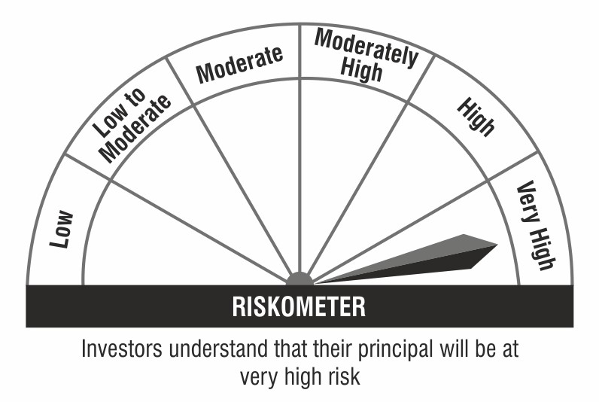 |  |  | 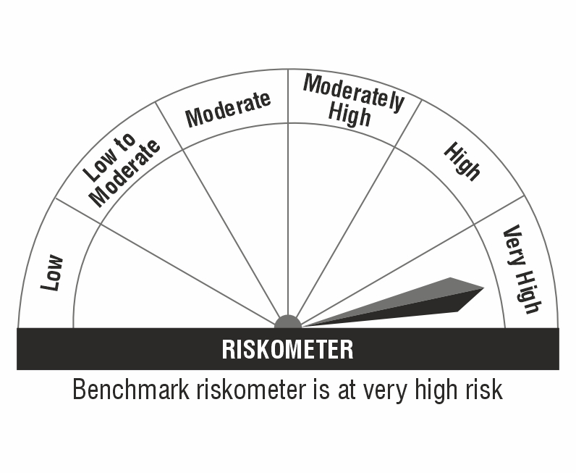

Monthly Portfolio Statement as on October 31,2024
Name of the Instrument | ISIN | Industry / Rating | Quantity | Market/Fair Value (Rs. in Lacs) | % to Net Assets | YTM
Equity & Equity related
(a) Listed / awaiting listing on Stock Exchanges
HDFC Bank Limited | INE040A01034 | Banks | 152,177 | 2,641.34 | 7.24%
State Bank of India | INE062A01020 | Banks | 171,639 | 1,407.78 | 3.86%
Tata Consultancy Services Limited | INE467B01029 | IT - Software | 34,562 | 1,371.58 | 3.76%
Larsen & Toubro Limited | INE018A01030 | Construction | 37,209 | 1,347.82 | 3.69%
Indus Towers Limited | INE121J01017 | Telecom - Services | 340,000 | 1,157.87 | 3.17%
Reliance Industries Limited | INE002A01018 | Petroleum Products | 86,874 | 1,157.21 | 3.17%
Indian Bank | INE562A01011 | Banks | 194,053 | 1,149.86 | 3.15%
Vedanta Limited | INE205A01025 | Diversified Metals | 235,403 | 1,092.39 | 2.99%
Tata Technologies Limited | INE142M01025 | IT - Services | 99,595 | 1,002.22 | 2.75%
Hero MotoCorp Limited | INE158A01026 | Automobiles | 18,290 | 912.59 | 2.50%
NTPC Limited | INE733E01010 | Power | 223,346 | 911.59 | 2.50%
Deepak Nitrite Limited | INE288B01029 | Chemicals & Petrochemicals | 31,425 | 828.46 | 2.27%
Kotak Mahindra Bank Limited | INE237A01028 | Banks | 47,382 | 820.23 | 2.25%
Endurance Technologies Limited | INE913H01037 | Auto Components | 33,630 | 798.59 | 2.19%
Senco Gold Limited | INE602W01019 | Consumer Durables | 65,313 | 797.31 | 2.19%
REC Limited | INE020B01018 | Finance | 150,652 | 787.31 | 2.16%
Oil India Limited | INE274J01014 | Oil | 164,414 | 775.62 | 2.13%
ICICI Lombard General Insurance Company Limited | INE765G01017 | Insurance | 39,678 | 760.77 | 2.09%
Eris Lifesciences Limited | INE406M01024 | Pharmaceuticals & Biotechnology | 54,003 | 714.54 | 1.96%
General Insurance Corporation of India | INE481Y01014 | Insurance | 189,535 | 699.76 | 1.92%
Manorama Industries Limited | INE00VM01036 | Food Products | 70,070 | 689.70 | 1.89%
Bayer Cropscience Limited | INE462A01022 | Fertilizers & Agrochemicals | 10,341 | 685.18 | 1.88%
FSN E-Commerce Ventures Limited | INE388Y01029 | Retailing | 373,132 | 677.87 | 1.86%
Jindal Stainless Limited | INE220G01021 | Ferrous Metals | 99,022 | 668.70 | 1.83%
JSW Steel Limited | INE019A01038 | Ferrous Metals | 58,278 | 561.60 | 1.54%
Housing & Urban Development Corporation Limited | INE031A01017 | Finance | 254,334 | 552.49 | 1.51%
Zaggle Prepaid Ocean Services Limited | INE07K301024 | IT - Services | 127,900 | 549.65 | 1.51%
Ajanta Pharma Limited | INE031B01049 | Pharmaceuticals & Biotechnology | 17,728 | 543.31 | 1.49%
Vijaya Diagnostic Centre Limited | INE043W01024 | Healthcare Services | 53,529 | 534.57 | 1.47%
Shriram Finance Limited | INE721A01013 | Finance | 16,149 | 506.90 | 1.39%
Oberoi Realty Limited | INE093I01010 | Realty | 25,329 | 498.17 | 1.37%
PB Fintech Limited | INE417T01026 | Financial Technology (Fintech) | 27,611 | 469.70 | 1.29%
Marico Limited | INE196A01026 | Agricultural Food & other Products | 66,847 | 427.82 | 1.17%
Siemens Limited | INE003A01024 | Electrical Equipment | 6,076 | 423.88 | 1.16%
Sterling And Wilson Renewable Energy Limited | INE00M201021 | Construction | 67,767 | 396.23 | 1.09%
Swan Energy Limited | INE665A01038 | Diversified | 76,915 | 384.42 | 1.05%
Ashok Leyland Limited | INE208A01029 | Agricultural, Commercial & Construction Vehicles | 180,859 | 376.51 | 1.03%
Abbott India Limited | INE358A01014 | Pharmaceuticals & Biotechnology | 1,282 | 371.51 | 1.02%
UltraTech Cement Limited | INE481G01011 | Cement & Cement Products | 3,190 | 352.99 | 0.97%
JK Cement Limited | INE823G01014 | Cement & Cement Products | 7,833 | 338.57 | 0.93%
Samvardhana Motherson International Limited | INE775A01035 | Auto Components | 179,388 | 324.60 | 0.89%
Rategain Travel Technologies Limited | INE0CLI01024 | IT - Software | 39,035 | 293.74 | 0.81%
JB Chemicals & Pharmaceuticals Limited | INE572A01036 | Pharmaceuticals & Biotechnology | 14,802 | 290.27 | 0.80%
Coforge Limited | INE591G01017 | IT - Software | 3,723 | 283.85 | 0.78%
Hyundai Motor India Ltd | INE0V6F01027 | Automobiles | 15,000 | 273.38 | 0.75%
UNO Minda Limited | INE405E01023 | Auto Components | 27,439 | 269.81 | 0.74%
ICICI Bank Limited | INE090A01021 | Banks | 20,869 | 269.68 | 0.74%
Dr. Reddy's Laboratories Limited | INE089A01031 | Pharmaceuticals & Biotechnology | 20,530 | 261.59 | 0.72%
Lumax Industries Limited | INE162B01018 | Auto Components | 10,138 | 250.14 | 0.69%
ITD Cementation India Limited | INE686A01026 | Construction | 39,971 | 226.02 | 0.62%
Titagarh Rail Systems Limited | INE615H01020 | Industrial Manufacturing | 17,955 | 219.35 | 0.60%
Steel Authority of India Limited | INE114A01011 | Ferrous Metals | 166,726 | 192.99 | 0.53%
SBI Life Insurance Company Limited | INE123W01016 | Insurance | 11,021 | 178.78 | 0.49%
Linde India Limited | INE473A01011 | Chemicals & Petrochemicals | 2,167 | 165.88 | 0.45%
Tips Music Limited | INE716B01029 | Entertainment | 14,940 | 132.76 | 0.36%
Angel One Limited | INE732I01013 | Capital Markets | 4,103 | 125.21 | 0.34%
IPCA Laboratories Limited | INE571A01038 | Pharmaceuticals & Biotechnology | 7,796 | 123.86 | 0.34%
HCL Technologies Limited | INE860A01027 | IT - Software | 6,457 | 114.03 | 0.31%
Ami Organics Limited | INE00FF01017 | Pharmaceuticals & Biotechnology | 5,027 | 99.41 | 0.27%
Sub Total |  |  |  | 35,239.96 | 96.62%
(b) Unlisted |  |  |  | NIL | NIL
Sub Total |  |  |  | NIL | NIL
Total |  |  |  | 35,239.96 | 96.62%
Money Market Instruments
Treasury Bill
364 Days Tbill (MD 30/01/2025) | IN002023Z463 | SOVEREIGN | 15,000 | 14.76 | 0.04% | 6.51%
Sub Total |  |  |  | 14.76 | 0.04%
Total |  |  |  | 14.76 | 0.04%
TREPS / Reverse REPO
TREPS |  |  |  | 1,218.67 | 3.34% | 6.31%
Sub Total |  |  |  | 1,218.67 | 3.34%
Total |  |  |  | 1,218.67 | 3.34%
Net Receivables / (Payables) |  |  |  | 5.06 | 0.00%
GRAND TOTAL |  |  |  | 36,478.45 | 100.00%

Please note that the Face Value of all the debt securities (except securities marked with the symbol $) has been considered as Rs.100.

NAV ( as at 31 October 2024, in Rs.)
Regular Plan - Bonus | 87.5100
Regular Plan - Regular IDCW | 26.1200
Regular Plan - Growth | 87.5200
Regular Plan - Quarterly IDCW | 31.8700
Direct Plan - Bonus | 51.4600
Direct Plan - Regular IDCW | 27.2700
Direct Plan-Growth | 99.6400
Direct Plan - Quarterly IDCW | 27.6900
Eco Plan - Bonus | 95.7300
Eco Plan - Regular IDCW | 26.8000
Eco Plan - Growth | 95.7300
Eco Plan - Quarterly IDCW | 27.0000

YB07
Bank of India Conservative Hybrid Fund (An open ended hybrid scheme investing predominantly in debt instruments)
Product Labelling | Risk-o-meter based on Portfolio as on October 31, 2024 |  |  | Risk-o-meter based on Benchmark CRISIL Hybrid 85+15 - Conservative Index as on October 31, 2024
• Long term capital appreciation and regular income. • Investment in equity and equity related securities (10% - 25%) as well as fixed income securities (Debt / Money Market Instruments/ Govt. Securities) |  |  |  | 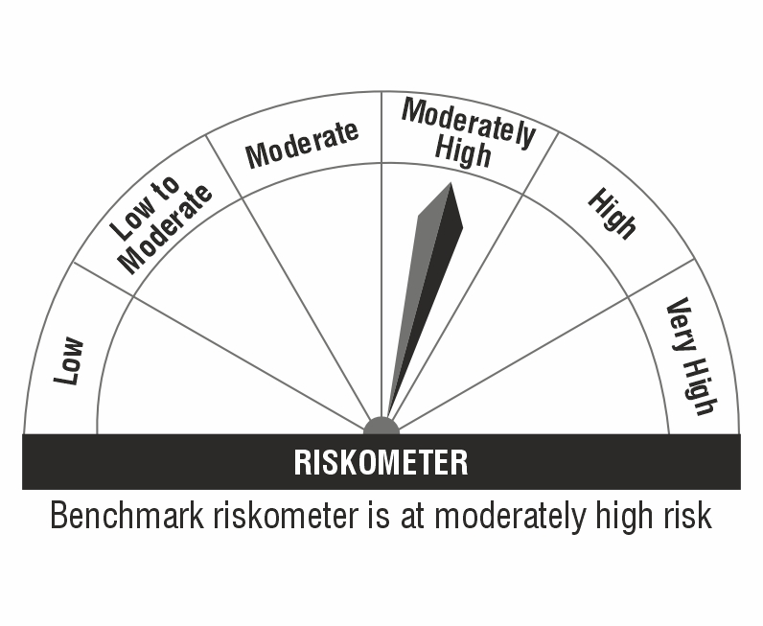

Monthly Portfolio Statement as on October 31,2024
Name of the Instrument | ISIN | Industry / Rating | Quantity | Market/Fair Value (Rs. in Lacs) | % to Net Assets | YTM
Equity & Equity related
(a) Listed / awaiting listing on Stock Exchanges
Reliance Industries Limited | INE002A01018 | Petroleum Products | 10,900 | 145.19 | 2.18%
State Bank of India | INE062A01020 | Banks | 10,000 | 82.02 | 1.23%
NTPC Limited | INE733E01010 | Power | 20,000 | 81.63 | 1.23%
Coforge Limited | INE591G01017 | IT - Software | 1,040 | 79.29 | 1.19%
ICICI Bank Limited | INE090A01021 | Banks | 5,250 | 67.84 | 1.02%
Power Grid Corporation of India Limited | INE752E01010 | Power | 19,000 | 60.95 | 0.92%
ITC Limited | INE154A01025 | Diversified FMCG | 12,000 | 58.66 | 0.88%
TD Power Systems Limited | INE419M01027 | Electrical Equipment | 14,000 | 57.79 | 0.87%
S.J.S. Enterprises Limited | INE284S01014 | Auto Components | 4,600 | 55.81 | 0.84%
HDFC Bank Limited | INE040A01034 | Banks | 3,100 | 53.81 | 0.81%
Tata Steel Limited | INE081A01020 | Ferrous Metals | 35,000 | 52.00 | 0.78%
Siemens Limited | INE003A01024 | Electrical Equipment | 700 | 48.83 | 0.73%
Larsen & Toubro Limited | INE018A01030 | Construction | 1,000 | 36.22 | 0.55%
Kotak Mahindra Bank Limited | INE237A01028 | Banks | 2,000 | 34.62 | 0.52%
Nestle India Limited | INE239A01024 | Food Products | 1,500 | 33.94 | 0.51%
Tata Consultancy Services Limited | INE467B01029 | IT - Software | 800 | 31.75 | 0.48%
Hero MotoCorp Limited | INE158A01026 | Automobiles | 600 | 29.94 | 0.45%
Ambuja Cements Limited | INE079A01024 | Cement & Cement Products | 4,000 | 23.22 | 0.35%
UltraTech Cement Limited | INE481G01011 | Cement & Cement Products | 200 | 22.13 | 0.33%
PNB Housing Finance Limited | INE572E01012 | Finance | 2,100 | 20.31 | 0.31%
Triveni Engineering & Industries Limited | INE256C01024 | Agricultural Food & other Products | 4,515 | 18.73 | 0.28%
PI Industries Limited | INE603J01030 | Fertilizers & Agrochemicals | 400 | 17.95 | 0.27%
Indus Towers Limited | INE121J01017 | Telecom - Services | 5,000 | 17.03 | 0.26%
REC Limited | INE020B01018 | Finance | 3,200 | 16.72 | 0.25%
Bharat Electronics Limited | INE263A01024 | Aerospace & Defense | 4,500 | 12.82 | 0.19%
Senco Gold Limited | INE602W01019 | Consumer Durables | 944 | 11.52 | 0.17%
Jupiter Wagons Limited | INE209L01016 | Industrial Manufacturing | 1,808 | 9.32 | 0.14%
Sub Total |  |  |  | 1,180.04 | 17.74%
(b) Unlisted |  |  |  | NIL | NIL
Sub Total |  |  |  | NIL | NIL
Total |  |  |  | 1,180.04 | 17.74%
Debt Instruments
(a) Listed / awaiting listing on Stock Exchange
7.57% Indian Railway Finance Corporation Limited (18/04/2029) ** | INE053F08353 | CRISIL AAA | 500,000 | 506.71 | 7.62% | 7.22%
7.68% National Bank For Agriculture and Rural Development (30/04/2029) ** | INE261F08EG3 | CRISIL AAA | 500,000 | 504.48 | 7.59% | 7.42%
6.79% Government of India (07/10/2034) | IN0020240126 | SOVEREIGN | 275,000 | 274.64 | 4.13% | 6.92%
7.18% Government of India (14/08/2033) | IN0020230085 | SOVEREIGN | 266,000 | 271.58 | 4.09% | 6.97%
7.1% Government of India (08/04/2034) | IN0020240019 | SOVEREIGN | 262,530 | 267.19 | 4.02% | 6.96%
7.6% Power Finance Corporation Limited (13/04/2029) ** | INE134E08MX3 | CRISIL AAA | 200,000 | 201.96 | 3.04% | 7.33%
7.75% Small Industries Dev Bank of India (10/06/2027) ** | INE556F08KN9 | CRISIL AAA | 200,000 | 201.27 | 3.03% | 7.48%
8.1167% Bajaj Finance Limited (10/05/2027) ** | INE296A07SX7 | CRISIL AAA | 200,000 | 201.23 | 3.03% | 7.79%
7.47% Small Industries Dev Bank of India (05/09/2029) | INE556F08KR0 | CRISIL AAA | 200,000 | 200.33 | 3.01% | 7.42%
7.26% Government of India (06/02/2033) | IN0020220151 | SOVEREIGN | 137,500 | 140.88 | 2.12% | 6.98%
Sub Total |  |  |  | 2,770.27 | 41.68%
(b) Privately placed / Unlisted |  |  |  | NIL | NIL
Sub Total |  |  |  | NIL | NIL
Total |  |  |  | 2,770.27 | 41.68%
Money Market Instruments
Certificate of Deposit
AU Small Finance Bank Limited (01/10/2025) ** # | INE949L16CX3 | FITCH A1+ | 500,000 | 466.29 | 7.02% | 7.90%
Sub Total |  |  |  | 466.29 | 7.02%
Commercial Paper
Kotak Securities Limited (07/03/2025) ** | INE028E14ON2 | ICRA A1+ | 400,000 | 389.55 | 5.86% | 7.77%
Aditya Birla Finance Limited (12/03/2025) ** | INE860H143N5 | ICRA A1+ | 200,000 | 194.62 | 2.93% | 7.70%
Sub Total |  |  |  | 584.17 | 8.79%
Treasury Bill
364 Days Tbill (MD 30/01/2025) | IN002023Z463 | SOVEREIGN | 300,000 | 295.26 | 4.44% | 6.51%
Sub Total |  |  |  | 295.26 | 4.44%
Total |  |  |  | 1,345.72 | 20.25%
Others
Corporate Debt Market Development Fund
Corporate Debt Market Development Fund | INF0RQ622028 |  | 185 | 19.27 | 0.29%
Sub Total |  |  |  | 19.27 | 0.29%
Total |  |  |  | 19.27 | 0.29%
TREPS / Reverse REPO
TREPS |  |  |  | 1,224.27 | 18.42% | 6.31%
Sub Total |  |  |  | 1,224.27 | 18.42%
(b) Privately placed / Unlisted |  |  |  | NIL | NIL
Sub Total |  |  |  | NIL | NIL
Total |  |  |  | 1,224.27 | 18.42%
Net Receivables / (Payables) |  |  |  | 106.71 | 1.62%
GRAND TOTAL |  |  |  | 6,646.28 | 100.00%

** Thinly Traded / Non Traded Security
# Unlisted Security
Please note that the Face Value of all the debt securities (except securities marked with the symbol $) has been considered as Rs.100.

NAV ( as at 31 October 2024, in Rs.)
Direct Plan - Annual IDCW | 16.0964
Direct Plan - Growth | 35.3171
Direct Plan - Monthly IDCW | 15.7358
Direct Plan - Quarterly IDCW | 17.3564
Eco Plan - Growth | 34.2979
Eco Plan - Monthly IDCW | 25.9764
Regular Plan - Annual IDCW | 16.1268
Regular Plan - Growth | 33.2220
Regular Plan - Monthly IDCW | 17.1041
Regular Plan - Quarterly IDCW | 17.7277

Annualised Portfolio YTM : | 7.08%
Macaulay Duration : | 2.59 Years
Avg. Residual Maturity : | 3.18 Years

YB21
Bank Of India Balanced Advantage Fund (An Open Ended Dynamic Asset Allocation Fund)
Product Labelling | Risk-o-meter based on Portfolio as on October 31, 2024 |  |  | Risk-o-meter based on Benchmark NIFTY 50 Hybrid Composite Debt 50:50 TRI as on October 31, 2024
• Long term capital appreciation • Dynamic asset allocation between equity and fixed income based on equity market valuations |  |  |  | 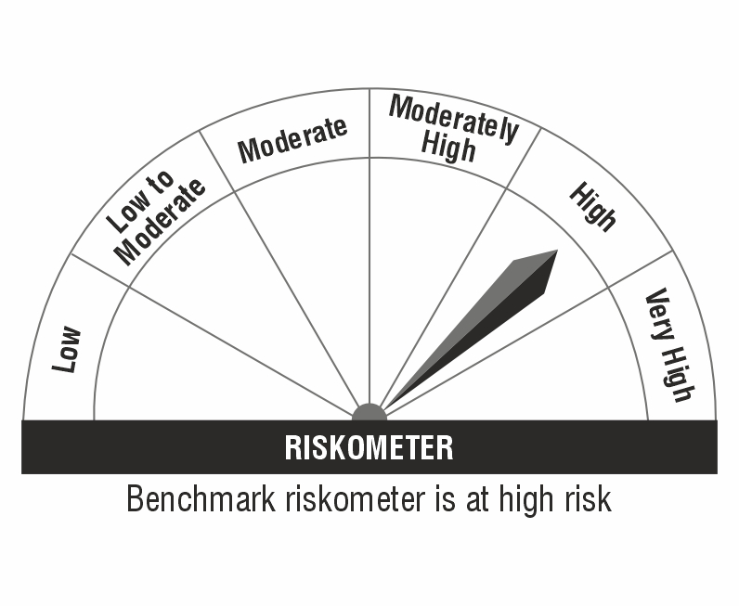

Monthly Portfolio Statement as on October 31,2024
Name of the Instrument | ISIN | Industry / Rating | Quantity | Market/Fair Value (Rs. in Lacs) | % to Net Assets | YTM
Equity & Equity related
(a) Listed / awaiting listing on Stock Exchanges
HDFC Bank Limited | INE040A01034 | Banks | 56,491 | 980.51 | 7.26%
Reliance Industries Limited | INE002A01018 | Petroleum Products | 58,138 | 774.43 | 5.74%
State Bank of India | INE062A01020 | Banks | 66,249 | 543.37 | 4.02%
ICICI Bank Limited | INE090A01021 | Banks | 34,456 | 445.26 | 3.30%
Kotak Mahindra Bank Limited | INE237A01028 | Banks | 19,095 | 330.55 | 2.45%
NTPC Limited | INE733E01010 | Power | 75,307 | 307.37 | 2.28%
IRB InvIT Fund | INE183W23014 | Transport Infrastructure | 500,000 | 304.85 | 2.26%
ITC Limited | INE154A01025 | Diversified FMCG | 55,602 | 271.78 | 2.01%
Bharti Airtel Limited | INE397D01024 | Telecom - Services | 16,233 | 261.77 | 1.94%
Larsen & Toubro Limited | INE018A01030 | Construction | 7,076 | 256.31 | 1.90%
Infosys Limited | INE009A01021 | IT - Software | 13,719 | 241.08 | 1.79%
Tata Consultancy Services Limited | INE467B01029 | IT - Software | 6,056 | 240.33 | 1.78%
Adani Ports and Special Economic Zone Limited | INE742F01042 | Transport Infrastructure | 16,048 | 220.81 | 1.64%
India Grid Trust InvIT Fund | INE219X23014 | Power | 150,924 | 220.48 | 1.63%
UltraTech Cement Limited | INE481G01011 | Cement & Cement Products | 1,717 | 190.00 | 1.41%
Axis Bank Limited | INE238A01034 | Banks | 15,621 | 181.13 | 1.34%
Coal India Limited | INE522F01014 | Consumable Fuels | 39,474 | 178.44 | 1.32%
Sun Pharmaceutical Industries Limited | INE044A01036 | Pharmaceuticals & Biotechnology | 9,070 | 167.70 | 1.24%
Vedanta Limited | INE205A01025 | Diversified Metals | 35,000 | 162.42 | 1.20%
Tata Steel Limited | INE081A01020 | Ferrous Metals | 102,537 | 152.33 | 1.13%
Tech Mahindra Limited | INE669C01036 | IT - Software | 9,440 | 151.86 | 1.12%
Tata Power Company Limited | INE245A01021 | Power | 33,700 | 148.30 | 1.10%
Titan Company Limited | INE280A01028 | Consumer Durables | 4,527 | 147.90 | 1.10%
Jio Financial Services Limited | INE758E01017 | Finance | 44,000 | 141.81 | 1.05%
Bajaj Finance Limited | INE296A01024 | Finance | 2,018 | 139.04 | 1.03%
Dr. Reddy's Laboratories Limited | INE089A01031 | Pharmaceuticals & Biotechnology | 10,500 | 133.79 | 0.99%
Trent Limited | INE849A01020 | Retailing | 1,814 | 129.31 | 0.96%
HCL Technologies Limited | INE860A01027 | IT - Software | 7,068 | 124.82 | 0.92%
Power Grid Corporation of India Limited | INE752E01010 | Power | 38,089 | 122.19 | 0.90%
Hindalco Industries Limited | INE038A01020 | Non - Ferrous Metals | 17,810 | 122.19 | 0.90%
Hero MotoCorp Limited | INE158A01026 | Automobiles | 2,408 | 120.15 | 0.89%
Mahindra & Mahindra Limited | INE101A01026 | Automobiles | 4,058 | 110.72 | 0.82%
REC Limited | INE020B01018 | Finance | 21,000 | 109.75 | 0.81%
Hindustan Unilever Limited | INE030A01027 | Diversified FMCG | 4,261 | 107.73 | 0.80%
Adani Enterprises Limited | INE423A01024 | Metals & Minerals Trading | 3,552 | 104.69 | 0.78%
JSW Steel Limited | INE019A01038 | Ferrous Metals | 10,062 | 96.96 | 0.72%
Bajaj Finserv Limited | INE918I01026 | Finance | 5,006 | 87.64 | 0.65%
Bank of Baroda | INE028A01039 | Banks | 34,660 | 86.98 | 0.64%
Tata Motors Limited | INE155A01022 | Automobiles | 10,137 | 84.55 | 0.63%
Asian Paints Limited | INE021A01026 | Consumer Durables | 2,800 | 82.20 | 0.61%
Bajaj Auto Limited | INE917I01010 | Automobiles | 830 | 81.64 | 0.60%
Maruti Suzuki India Limited | INE585B01010 | Automobiles | 709 | 78.53 | 0.58%
Siemens Limited | INE003A01024 | Electrical Equipment | 1,100 | 76.74 | 0.57%
Grasim Industries Limited | INE047A01021 | Cement & Cement Products | 2,475 | 66.72 | 0.49%
DLF Limited | INE271C01023 | Realty | 8,000 | 65.59 | 0.49%
SBI Life Insurance Company Limited | INE123W01016 | Insurance | 4,029 | 65.36 | 0.48%
Oil & Natural Gas Corporation Limited | INE213A01029 | Oil | 24,251 | 64.54 | 0.48%
Apollo Hospitals Enterprise Limited | INE437A01024 | Healthcare Services | 822 | 57.73 | 0.43%
Nestle India Limited | INE239A01024 | Food Products | 2,453 | 55.51 | 0.41%
Wipro Limited | INE075A01022 | IT - Software | 9,771 | 53.92 | 0.40%
Divi's Laboratories Limited | INE361B01024 | Pharmaceuticals & Biotechnology | 915 | 53.89 | 0.40%
Cipla Limited | INE059A01026 | Pharmaceuticals & Biotechnology | 3,469 | 53.83 | 0.40%
HDFC Life Insurance Company Limited | INE795G01014 | Insurance | 6,242 | 44.95 | 0.33%
Britannia Industries Limited | INE216A01030 | Food Products | 777 | 44.50 | 0.33%
IndusInd Bank Limited | INE095A01012 | Banks | 4,100 | 43.28 | 0.32%
Eicher Motors Limited | INE066A01021 | Automobiles | 850 | 41.60 | 0.31%
Bharat Petroleum Corporation Limited | INE029A01011 | Petroleum Products | 12,637 | 39.27 | 0.29%
Shriram Finance Limited | INE721A01013 | Finance | 1,118 | 35.09 | 0.26%
Tata Consumer Products Limited | INE192A01025 | Agricultural Food & other Products | 3,148 | 31.56 | 0.23%
Bharat Electronics Limited | INE263A01024 | Aerospace & Defense | 5,332 | 15.19 | 0.11%
Grasim Industries Limited Partly Paid Up | IN9047A01029 | Cement & Cement Products | 82 | 1.45 | 0.01%
Sub Total |  |  |  | 9,854.39 | 72.98%
(b) Unlisted |  |  |  | NIL | NIL
Sub Total |  |  |  | NIL | NIL
Total |  |  |  | 9,854.39 | 72.98%
Derivatives
Index / Stock Futures
NIFTY November 2024 Future |  |  | -5,750 | (1,402.33) | (10.39)%
Sub Total |  |  |  | (1,402.33) | (10.39)%
Total |  |  |  | (1,402.33) | (10.39)%
Debt Instruments
(a) Listed / awaiting listing on Stock Exchange
7.64% National Bank For Agriculture and Rural Development (06/12/2029) ** | INE261F08EJ7 | ICRA AAA | 500,000 | 504.55 | 3.74% | 7.42%
7.68% National Bank For Agriculture and Rural Development (30/04/2029) ** | INE261F08EG3 | CRISIL AAA | 500,000 | 504.48 | 3.74% | 7.42%
7.47% Small Industries Dev Bank of India (05/09/2029) | INE556F08KR0 | CRISIL AAA | 500,000 | 500.81 | 3.71% | 7.42%
7.18% Government of India (14/08/2033) | IN0020230085 | SOVEREIGN | 368,000 | 375.72 | 2.78% | 6.97%
7.8% Tata Capital Housing Finance Limited (05/08/2027) ** | INE033L07HU0 | CRISIL AAA | 200,000 | 200.22 | 1.48% | 7.73%
Sub Total |  |  |  | 2,085.78 | 15.45%
(b) Privately placed / Unlisted |  |  |  | NIL | NIL
Sub Total |  |  |  | NIL | NIL
Total |  |  |  | 2,085.78 | 15.45%
Money Market Instruments
Certificate of Deposit
AU Small Finance Bank Limited (01/10/2025) ** # | INE949L16CX3 | FITCH A1+ | 500,000 | 466.29 | 3.45% | 7.90%
Sub Total |  |  |  | 466.29 | 3.45%
Total |  |  |  | 466.29 | 3.45%
Others
Mutual Fund Units
Bank of India Arbitrage Fund Direct Plan Growth | INF761K01ED3 |  | 2,138,111 | 294.18 | 2.18%
Sub Total |  |  |  | 294.18 | 2.18%
Total |  |  |  | 294.18 | 2.18%
TREPS / Reverse REPO
TREPS |  |  |  | 356.81 | 2.64% | 6.31%
Sub Total |  |  |  | 356.81 | 2.64%
(b) Privately placed / Unlisted |  |  |  | NIL | NIL
Sub Total |  |  |  | NIL | NIL
Total |  |  |  | 356.81 | 2.64%
Net Receivables / (Payables) |  |  |  | 1,846.81 | 13.69%
GRAND TOTAL |  |  |  | 13,501.93 | 100.00%

** Thinly Traded / Non Traded Security
# Unlisted Security
Please note that the Face Value of all the debt securities (except securities marked with the symbol $) has been considered as Rs.100.

NAV ( as at 31 October 2024, in Rs.)
Direct Plan IDCW | 15.8633
Direct Plan Growth | 26.2648
Regular Plan IDCW | 17.1062
Regular Plan Growth | 24.5186

YB32
Bank Of India Arbitrage Fund (An open ended scheme investing in arbitrage opportunities)
Product Labelling | Risk-o-meter based on Portfolio as on October 31, 2024 |  |  | Risk-o-meter based on Benchmark Nifty 50 Arbitrage Index as on October 31, 2024
• Income over short to medium term • Income through arbitrage opportunities between cash and derivative segments of the equity market and arbitrage opportunities within the derivative segment |  |  |  | 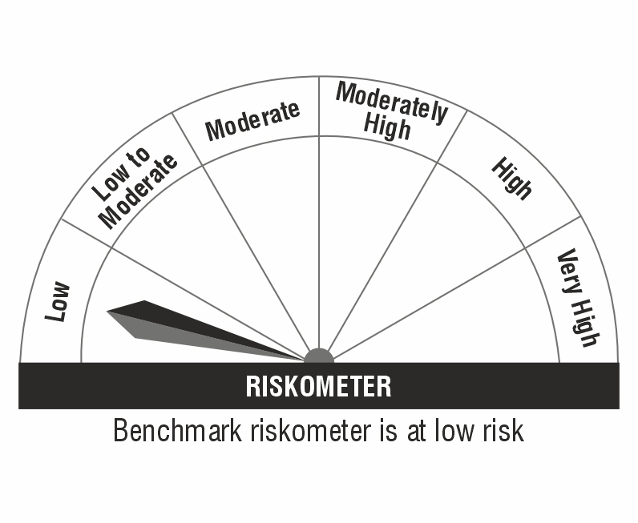

Monthly Portfolio Statement as on October 31,2024
Name of the Instrument | ISIN | Industry / Rating | Quantity | Market/Fair Value (Rs. in Lacs) | % to Net Assets | YTM
Equity & Equity related
(a) Listed / awaiting listing on Stock Exchanges
HDFC Bank Limited | INE040A01034 | Banks | 8,800 | 152.74 | 3.75%
Bank of Baroda | INE028A01039 | Banks | 58,500 | 146.81 | 3.60%
Ambuja Cements Limited | INE079A01024 | Cement & Cement Products | 25,200 | 146.30 | 3.59%
Canara Bank | INE476A01022 | Banks | 141,750 | 145.51 | 3.57%
Hindustan Aeronautics Limited | INE066F01020 | Aerospace & Defense | 3,300 | 140.14 | 3.44%
Lupin Limited | INE326A01037 | Pharmaceuticals & Biotechnology | 6,375 | 139.42 | 3.42%
Adani Enterprises Limited | INE423A01024 | Metals & Minerals Trading | 4,500 | 132.63 | 3.25%
Hindalco Industries Limited | INE038A01020 | Non - Ferrous Metals | 18,200 | 124.86 | 3.06%
Bajaj Finance Limited | INE296A01024 | Finance | 1,750 | 120.57 | 2.96%
Indus Towers Limited | INE121J01017 | Telecom - Services | 34,000 | 115.79 | 2.84%
InterGlobe Aviation Limited | INE646L01027 | Transport Services | 2,400 | 97.26 | 2.39%
Reliance Industries Limited | INE002A01018 | Petroleum Products | 7,000 | 93.24 | 2.29%
UltraTech Cement Limited | INE481G01011 | Cement & Cement Products | 800 | 88.53 | 2.17%
Bharat Heavy Electricals Limited | INE257A01026 | Electrical Equipment | 34,125 | 81.56 | 2.00%
Larsen & Toubro Limited | INE018A01030 | Construction | 2,100 | 76.07 | 1.87%
Infosys Limited | INE009A01021 | IT - Software | 4,000 | 70.29 | 1.72%
Bharat Petroleum Corporation Limited | INE029A01011 | Petroleum Products | 21,600 | 67.12 | 1.65%
JSW Steel Limited | INE019A01038 | Ferrous Metals | 6,750 | 65.05 | 1.60%
Jindal Steel & Power Limited | INE749A01030 | Ferrous Metals | 6,875 | 63.28 | 1.55%
Escorts Kubota Limited | INE042A01014 | Agricultural, Commercial & Construction Vehicles | 1,650 | 61.79 | 1.52%
TVS Motor Company Limited | INE494B01023 | Automobiles | 2,450 | 61.10 | 1.50%
DLF Limited | INE271C01023 | Realty | 7,425 | 60.87 | 1.49%
ABB India Limited | INE117A01022 | Electrical Equipment | 750 | 55.72 | 1.37%
City Union Bank Limited | INE491A01021 | Banks | 30,000 | 52.72 | 1.29%
Punjab National Bank | INE160A01022 | Banks | 48,000 | 46.99 | 1.15%
Power Grid Corporation of India Limited | INE752E01010 | Power | 14,400 | 46.20 | 1.13%
Bharti Airtel Limited | INE397D01024 | Telecom - Services | 2,850 | 45.96 | 1.13%
Power Finance Corporation Limited | INE134E01011 | Finance | 9,100 | 41.40 | 1.02%
Tata Steel Limited | INE081A01020 | Ferrous Metals | 27,500 | 40.85 | 1.00%
L&T Finance Limited | INE498L01015 | Finance | 26,772 | 39.09 | 0.96%
Zydus Lifesciences Limited | INE010B01027 | Pharmaceuticals & Biotechnology | 3,600 | 36.05 | 0.88%
Vodafone Idea Limited | INE669E01016 | Telecom - Services | 360,000 | 29.23 | 0.72%
Tata Motors Limited | INE155A01022 | Automobiles | 3,300 | 27.52 | 0.68%
State Bank of India | INE062A01020 | Banks | 3,000 | 24.61 | 0.60%
Adani Ports and Special Economic Zone Limited | INE742F01042 | Transport Infrastructure | 1,600 | 22.02 | 0.54%
Multi Commodity Exchange of India Limited | INE745G01035 | Capital Markets | 200 | 13.03 | 0.32%
NTPC Limited | INE733E01010 | Power | 3,000 | 12.24 | 0.30%
Sub Total |  |  |  | 2,784.56 | 68.32%
(b) Unlisted |  |  |  | NIL | NIL
Sub Total |  |  |  | NIL | NIL
Total |  |  |  | 2,784.56 | 68.32%
Derivatives
Index / Stock Futures
NTPC Limited November 2024 Future |  |  | -3,000 | (12.31) | (0.30)%
Multi Commodity Exchange of India Limited November 2024 Future |  |  | -200 | (13.03) | (0.32)%
Adani Ports and Special Economic Zone Limited November 2024 Future |  |  | -1,600 | (22.17) | (0.54)%
State Bank of India November 2024 Future |  |  | -3,000 | (24.78) | (0.61)%
Tata Motors Limited November 2024 Future |  |  | -3,300 | (27.71) | (0.68)%
Vodafone Idea Limited November 2024 Future |  |  | -360,000 | (29.34) | (0.72)%
Zydus Lifesciences Limited November 2024 Future |  |  | -3,600 | (36.30) | (0.89)%
L&T Finance Limited November 2024 Future |  |  | -26,772 | (39.39) | (0.97)%
Tata Steel Limited November 2024 Future |  |  | -27,500 | (41.13) | (1.01)%
Power Finance Corporation Limited November 2024 Future |  |  | -9,100 | (41.42) | (1.02)%
Power Grid Corporation of India Limited November 2024 Future |  |  | -14,400 | (45.87) | (1.13)%
Bharti Airtel Limited November 2024 Future |  |  | -2,850 | (46.27) | (1.14)%
Punjab National Bank November 2024 Future |  |  | -48,000 | (47.53) | (1.17)%
City Union Bank Limited November 2024 Future |  |  | -30,000 | (53.03) | (1.30)%
ABB India Limited November 2024 Future |  |  | -750 | (56.11) | (1.38)%
DLF Limited November 2024 Future |  |  | -7,425 | (61.28) | (1.50)%
TVS Motor Company Limited November 2024 Future |  |  | -2,450 | (61.32) | (1.50)%
Escorts Kubota Limited November 2024 Future |  |  | -1,650 | (62.32) | (1.53)%
Jindal Steel & Power Limited November 2024 Future |  |  | -6,875 | (63.65) | (1.56)%
JSW Steel Limited November 2024 Future |  |  | -6,750 | (65.39) | (1.60)%
Bharat Petroleum Corporation Limited November 2024 Future |  |  | -21,600 | (67.60) | (1.66)%
Infosys Limited November 2024 Future |  |  | -4,000 | (70.79) | (1.74)%
Larsen & Toubro Limited November 2024 Future |  |  | -2,100 | (76.58) | (1.88)%
Bharat Heavy Electricals Limited November 2024 Future |  |  | -34,125 | (81.99) | (2.01)%
UltraTech Cement Limited November 2024 Future |  |  | -800 | (89.16) | (2.19)%
Reliance Industries Limited November 2024 Future |  |  | -7,000 | (93.71) | (2.30)%
InterGlobe Aviation Limited November 2024 Future |  |  | -2,400 | (97.83) | (2.40)%
Indus Towers Limited November 2024 Future |  |  | -34,000 | (116.65) | (2.86)%
Bajaj Finance Limited November 2024 Future |  |  | -1,750 | (121.33) | (2.98)%
Hindalco Industries Limited November 2024 Future |  |  | -18,200 | (125.68) | (3.08)%
Adani Enterprises Limited November 2024 Future |  |  | -4,500 | (133.31) | (3.27)%
Lupin Limited November 2024 Future |  |  | -6,375 | (140.41) | (3.44)%
Hindustan Aeronautics Limited November 2024 Future |  |  | -3,300 | (141.05) | (3.46)%
Canara Bank November 2024 Future |  |  | -141,750 | (146.46) | (3.59)%
Ambuja Cements Limited November 2024 Future |  |  | -25,200 | (147.36) | (3.62)%
Bank of Baroda November 2024 Future |  |  | -58,500 | (147.68) | (3.62)%
HDFC Bank Limited November 2024 Future |  |  | -8,800 | (153.81) | (3.77)%
Sub Total |  |  |  | (2,801.75) | (68.74)%
Total |  |  |  | (2,801.75) | (68.74)%
Money Market Instruments
Treasury Bill
364 Days Tbill (MD 24/04/2025) | IN002024Z040 | SOVEREIGN | 80,000 | 77.55 | 1.90% | 6.64%
182 Days Tbill (MD 17/01/2025) | IN002024Y167 | SOVEREIGN | 65,000 | 64.12 | 1.57% | 6.50%
364 Days Tbill (MD 10/07/2025) | IN002024Z156 | SOVEREIGN | 55,000 | 52.61 | 1.29% | 6.60%
364 Days Tbill (MD 27/03/2025) | IN002023Z562 | SOVEREIGN | 45,000 | 43.85 | 1.08% | 6.56%
364 Days Tbill (MD 02/05/2025) | IN002024Z057 | SOVEREIGN | 43,200 | 41.82 | 1.03% | 6.62%
364 Days Tbill (MD 24/07/2025) | IN002024Z172 | SOVEREIGN | 30,000 | 28.63 | 0.70% | 6.60%
364 Days Tbill (MD 19/12/2024) | IN002023Z406 | SOVEREIGN | 10,400 | 10.31 | 0.25% | 6.47%
364 Days Tbill (MD 12/06/2025) | IN002024Z115 | SOVEREIGN | 4,500 | 4.33 | 0.11% | 6.62%
364 Days Tbill (MD 05/06/2025) | IN002024Z107 | SOVEREIGN | 4,000 | 3.85 | 0.09% | 6.62%
Sub Total |  |  |  | 327.07 | 8.02%
Total |  |  |  | 327.07 | 8.02%
Others
Mutual Fund Units
Bank of India Liquid Fund Direct Plan - Growth | INF761K01785 |  | 22,479 | 651.71 | 15.99%
Sub Total |  |  |  | 651.71 | 15.99%
Total |  |  |  | 651.71 | 15.99%
TREPS / Reverse REPO
TREPS |  |  |  | 303.84 | 7.45% | 6.31%
Sub Total |  |  |  | 303.84 | 7.45%
Total |  |  |  | 303.84 | 7.45%
Net Receivables / (Payables) |  |  |  | 2,810.40 | 68.96%
GRAND TOTAL |  |  |  | 4,075.83 | 100.00%

Please note that the Face Value of all the debt securities (except securities marked with the symbol $) has been considered as Rs.100.

NAV ( as at 31 October 2024, in Rs.)
Direct Plan Growth | 13.7589
Direct Plan Monthly IDCW | 12.4076
Direct Plan Quarterly IDCW | 13.0792
Direct Plan Annual IDCW | 12.4458
Regular Plan Growth | 13.2305
Regular Plan Monthly IDCW | 11.9901
Regular Plan Quarterly IDCW | 12.6574
Regular Plan Annual IDCW | 12.2251

Aggregate value of investments by other schemes of Bank of India Mutual Fund as on 31st October 2024 is Rs. 294.18 lacs.

YB39
Bank of India Multi Asset Allocation Fund (An open ended scheme investing in Equity, Debt and Gold ETF)
Product Labelling | Risk-o-meter based on Portfolio as on October 31, 2024 |  |  | Risk-o-meter based on Benchmark 37.50% of Nifty 500 TRI + 50% of Nifty Composite Debt Index + 12.50% of Domestic Prices of Gold as on October 31, 2024
• Wealth creation over medium to long term • Investment in equity and equity related securities, debt and money market instruments and Gold ETF | 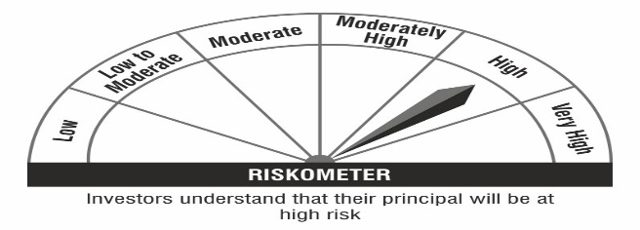

Monthly Portfolio Statement as on October 31,2024
Name of the Instrument | ISIN | Industry / Rating | Quantity | Market/Fair Value (Rs. in Lacs) | % to Net Assets | YTM
Equity & Equity related
(a) Listed / awaiting listing on Stock Exchanges
State Bank of India | INE062A01020 | Banks | 109,617 | 899.08 | 2.54%
REC Limited | INE020B01018 | Finance | 119,278 | 623.35 | 1.76%
Siemens Limited | INE003A01024 | Electrical Equipment | 8,500 | 592.99 | 1.68%
Trent Limited | INE849A01020 | Retailing | 8,000 | 570.27 | 1.61%
Vedanta Limited | INE205A01025 | Diversified Metals | 120,000 | 556.86 | 1.57%
Grasim Industries Limited | INE047A01021 | Cement & Cement Products | 17,032 | 459.16 | 1.30%
NTPC Limited | INE733E01010 | Power | 105,674 | 431.31 | 1.22%
Varun Beverages Limited | INE200M01039 | Beverages | 65,000 | 388.54 | 1.10%
Tata Power Company Limited | INE245A01021 | Power | 88,000 | 387.24 | 1.10%
Bharat Heavy Electricals Limited | INE257A01026 | Electrical Equipment | 152,386 | 364.20 | 1.03%
Shriram Finance Limited | INE721A01013 | Finance | 11,001 | 345.31 | 0.98%
Mahindra & Mahindra Limited | INE101A01026 | Automobiles | 12,500 | 341.07 | 0.96%
ABB India Limited | INE117A01022 | Electrical Equipment | 4,350 | 323.18 | 0.91%
Titagarh Rail Systems Limited | INE615H01020 | Industrial Manufacturing | 26,000 | 317.63 | 0.90%
Triveni Turbine Limited | INE152M01016 | Electrical Equipment | 44,000 | 304.44 | 0.86%
Prudent Corporate Advisory Services Limited | INE00F201020 | Capital Markets | 9,400 | 292.59 | 0.83%
Eicher Motors Limited | INE066A01021 | Automobiles | 5,900 | 288.78 | 0.82%
Rategain Travel Technologies Limited | INE0CLI01024 | IT - Software | 35,000 | 263.38 | 0.74%
Aditya Birla Real Estate Limited | INE055A01016 | Paper, Forest & Jute Products | 9,000 | 246.85 | 0.70%
Jupiter Wagons Limited | INE209L01016 | Industrial Manufacturing | 45,000 | 232.09 | 0.66%
Jindal Stainless Limited | INE220G01021 | Ferrous Metals | 34,081 | 230.15 | 0.65%
Housing & Urban Development Corporation Limited | INE031A01017 | Finance | 105,000 | 228.09 | 0.65%
Cartrade Tech Limited | INE290S01011 | Retailing | 21,000 | 226.98 | 0.64%
Tata Technologies Limited | INE142M01025 | IT - Services | 22,500 | 226.42 | 0.64%
Samvardhana Motherson International Limited | INE775A01035 | Auto Components | 122,632 | 221.90 | 0.63%
Ami Organics Limited | INE00FF01017 | Pharmaceuticals & Biotechnology | 10,979 | 217.11 | 0.61%
Mastek Limited | INE759A01021 | IT - Software | 7,369 | 212.88 | 0.60%
Hindustan Aeronautics Limited | INE066F01020 | Aerospace & Defense | 5,000 | 212.34 | 0.60%
Multi Commodity Exchange of India Limited | INE745G01035 | Capital Markets | 3,250 | 211.77 | 0.60%
Blue Star Limited | INE472A01039 | Consumer Durables | 11,060 | 206.94 | 0.59%
PNB Housing Finance Limited | INE572E01012 | Finance | 21,100 | 204.05 | 0.58%
Bharat Forge Limited | INE465A01025 | Auto Components | 13,853 | 195.35 | 0.55%
Larsen & Toubro Limited | INE018A01030 | Construction | 5,390 | 195.24 | 0.55%
Bank of Baroda | INE028A01039 | Banks | 75,000 | 188.22 | 0.53%
Tips Music Limited | INE716B01029 | Entertainment | 21,000 | 186.62 | 0.53%
PCBL Limited | INE602A01031 | Chemicals & Petrochemicals | 42,500 | 174.65 | 0.49%
Linde India Limited | INE473A01011 | Chemicals & Petrochemicals | 2,250 | 172.23 | 0.49%
FIEM Industries Limited | INE737H01014 | Auto Components | 10,500 | 162.24 | 0.46%
Rane Holdings Limited | INE384A01010 | Finance | 8,000 | 149.52 | 0.42%
Sterling And Wilson Renewable Energy Limited | INE00M201021 | Construction | 25,323 | 148.06 | 0.42%
TeamLease Services Limited | INE985S01024 | Commercial Services & Supplies | 5,000 | 139.62 | 0.39%
Reliance Industries Limited | INE002A01018 | Petroleum Products | 10,000 | 133.21 | 0.38%
Godrej Consumer Products Limited | INE102D01028 | Personal Products | 10,000 | 128.32 | 0.36%
Hyundai Motor India Ltd | INE0V6F01027 | Automobiles | 7,000 | 127.58 | 0.36%
Cholamandalam Investment and Finance Company Ltd | INE121A01024 | Finance | 10,000 | 127.28 | 0.36%
Senco Gold Limited | INE602W01019 | Consumer Durables | 10,400 | 126.96 | 0.36%
Welspun Living Limited | INE192B01031 | Textiles & Apparels | 80,520 | 122.56 | 0.35%
Unicommerce Esolutions Limited | INE00U401027 | IT - Software | 41,847 | 82.83 | 0.23%
Schneider Electric Infrastructure Limited | INE839M01018 | Electrical Equipment | 10,000 | 77.97 | 0.22%
Sub Total |  |  |  | 13,265.41 | 37.51%
(b) Unlisted |  |  |  | NIL | NIL
Sub Total |  |  |  | NIL | NIL
Total |  |  |  | 13,265.41 | 37.51%
Debt Instruments
(a) Listed / awaiting listing on Stock Exchange
7.44% Indian Railway Finance Corporation Limited (28/02/2034) ** | INE053F08379 | CRISIL AAA | 2,500,000 | 2,542.36 | 7.19% | 7.19%
7.6% Power Finance Corporation Limited (13/04/2029) ** | INE134E08MX3 | CRISIL AAA | 2,500,000 | 2,524.45 | 7.14% | 7.33%
7.64% REC Limited (30/04/2027) | INE020B08EX7 | ICRA AAA | 2,500,000 | 2,511.52 | 7.10% | 7.40%
7.8350% LIC Housing Finance Limited (11/05/2027) ** | INE115A07QO2 | CRISIL AAA | 2,500,000 | 2,510.14 | 7.10% | 7.62%
8.1167% Bajaj Finance Limited (10/05/2027) ** | INE296A07SX7 | CRISIL AAA | 1,800,000 | 1,811.09 | 5.12% | 7.79%
7.68% National Bank For Agriculture and Rural Development (30/04/2029) ** | INE261F08EG3 | CRISIL AAA | 1,600,000 | 1,614.32 | 4.57% | 7.42%
7.8% Tata Capital Housing Finance Limited (05/08/2027) ** | INE033L07HU0 | CRISIL AAA | 1,500,000 | 1,501.62 | 4.25% | 7.73%
7.1% Government of India (18/04/2029) | IN0020220011 | SOVEREIGN | 1,000,000 | 1,012.17 | 2.86% | 6.89%
7.18% Government of India (14/08/2033) | IN0020230085 | SOVEREIGN | 500,000 | 510.49 | 1.44% | 6.97%
Sub Total |  |  |  | 16,538.16 | 46.77%
(b) Privately placed / Unlisted |  |  |  | NIL | NIL
Sub Total |  |  |  | NIL | NIL
Total |  |  |  | 16,538.16 | 46.77%
Others
Exchange Traded Funds
ICICI Prudential Gold ETF | INF109KC1NT3 |  | 4,560,000 | 3,144.12 | 8.89%
Nippon India ETF Gold Bees | INF204KB17I5 |  | 902,000 | 603.62 | 1.71%
DSP Gold ETF | INF740KA1SW3 |  | 400,000 | 313.60 | 0.89%
Sub Total |  |  |  | 4,061.34 | 11.49%
Total |  |  |  | 4,061.34 | 11.49%
TREPS / Reverse REPO
TREPS |  |  |  | 974.77 | 2.76% | 6.31%
Sub Total |  |  |  | 974.77 | 2.76%
(b) Privately placed / Unlisted |  |  |  | NIL | NIL
Sub Total |  |  |  | NIL | NIL
Total |  |  |  | 974.77 | 2.76%
Net Receivables / (Payables) |  |  |  | 520.17 | 1.47%
GRAND TOTAL |  |  |  | 35,359.85 | 100.00%

** Thinly Traded / Non Traded Security
Please note that the Face Value of all the debt securities (except securities marked with the symbol $) has been considered as Rs.100.

NAV ( as at 31 October 2024, in Rs.)
Direct Plan IDCW | 11.0857
Direct Plan Growth | 11.0835
Regular Plan IDCW | 11.0183
Regular Plan Growth | 11.0173

Annualised Portfolio YTM : | 7.35%
Macaulay Duration : | 3.44 Years
Avg. Residual Maturity : | 4.14 Years

